Entocentric lenses
Optotune lens selector for entocentric lenses

1) Enter your preferred average (nominal) working distance: |  |  |  |  |  | 2300 | mm |  | tan(alfa) = fov/wd |  | v01.04.2024
2) Enter the (horizontal) width of your object: |  |  |  |  |  | 200 | mm
--> resulting horizontal field of view: |  |  |  |  |  | 5 | ° HFOV
3) Find an appropriate HFOV in the table and click to see a list of recommended lens configurations

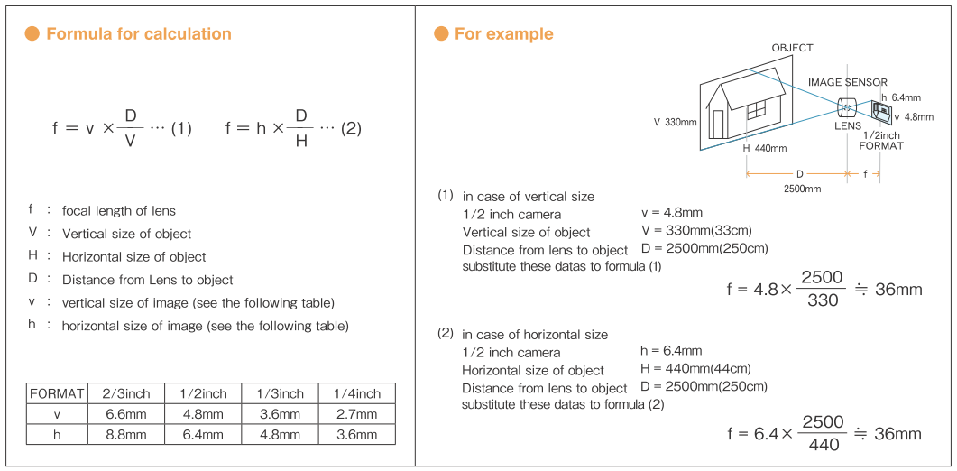
Front- or back-lens configuration
Camera sensor | Mount | Imaging lens focal length (mm)
 |  | <6 | 6 | 8 | 12 | 16 | 25 | 35 | 50 | 75 | 100 | >=150
1/4” | S |  | 30° HFOV | 23° | 15° | 11° | 7° | 5° | 4° | 2.5° | 2°

1/3” | S |  | 44° * | 33° | 23° | 17° | 11° | 8° | 6° | 4° | 3°
 |  |  |  |  |  | *
1/2” | S |  | 56° * | 44° * | 30° * | 23° * | 15° | 10° | 7° | 5° | 4°
 | C |  |  | * | * | * | *
2/3” | C |  | 73° | 58° | 40° | 31° | 20° | 14° | 10° | 7° | 5° | 3°
 |  |  | * | * | * | * | * | * |  |  |  | *
1” | C |  | 74° | 77° | 56° | 44° | 29° | 21° | 15° | 10° | 7°
 |  |  |  |  | * | * | * | * | * | *
30mm diag. | M42 |  | 128° | 114° | 91° | 75° | 52° | 39° | 28° | 19° | 14°
 |  |  |  |  |  |  |  |  | * | *
 |  | Front lens configuration only |  |  |  |  | Back lens configuration only

Not possible
Possible with custom optics design
Custom design available
*
Vignetting with off-the-shelf lenses
Possible with off-the-shelf lenses

Entocentric lens database
Telecentric lens database

Telecentric lenses
Optotune lens selector for telecentric lenses

 |  |  |  |  |  |  |  |  |  |  | v01.04.2024
Chose the horizontal field of view (HFOV) that you need in the table below and click to see a list of recommended lenses

Camera sensor | Mount | Magnification |  |  |  |  |  |  |  |  |  |  |  | Sensor width
 |  | 0.15x | 0.25x | 0.35x | 0.5x | 0.66x | 0.75x | 1x | 1.5x | 2x | 3x | 4x | 6x
1/2” | C | 42.7 mm | 25.6 | 18.3 | 12.8 | 9.7 | 8.5 | 6.4 | 4.3 | 3.2 | 2.1 | 1.6 | 1.1 | 6.4
 |  | * | * | * | * | *
2/3” | C | 58.7 | 35.2 | 25.1 | 17.6 | 13.3 | 11.7 | 8.8 | 5.9 | 4.4 | 2.9 | 2.2 | 1.5 | 8.8
 |  | * | * | * | * | * | * | * | * | * | * | * | *
1" | C | 88.7 | 53.2 | 38.0 | 26.6 | 20.2 | 17.7 | 13.3 | 8.9 | 6.7 | 4.4 | 3.3 | 2.2 | 13.3
 |  | * | * | * | * | * |  | * | * | * | * | * | *
4/3" | C/F | 115.3 | 69.2 | 49.4 | 34.6 | 26.2 | 23.1 | 17.3 | 11.5 | 8.7 | 5.8 | 4.3 | 2.9 | 17.3
 |  |  | * |  | *
30mm diag. | M42/F | 164.0 | 98.4 | 70.3 | 49.2 | 37.3 | 32.8 | 24.6 | 16.4 | 12.3 | 8.2 | 6.2 | 4.1 | 24.6
 |  |  |  |  |  |  |  |  |  | * | * |  | *
Possible with custom optics design
Possible with off-the-shelf lenses
Optimized lens available
Not possible
*

Telecentric lens database |  |  | ** Customized lens in development

Note: For simplicity reasons not all sensor formats and magnifications are shown. Please consult detailed specs sheets before taking purchase decisions.

